Sheet1
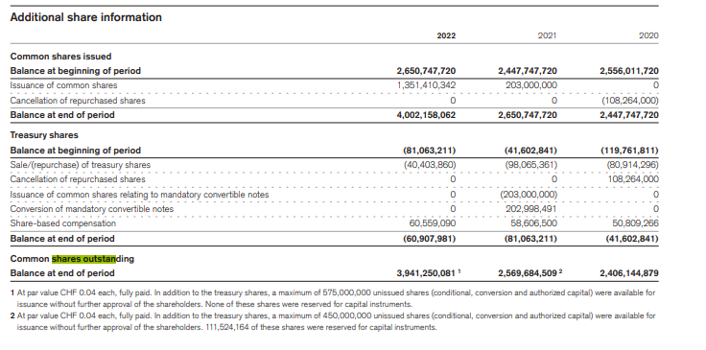
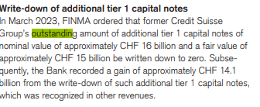
 | Shares outstanding
 | 2018 | 2019 | 2020 | 2021 | 2022 | 2023
Credit Suisse shares outstanding
Group (Listed shares) | 2,550,600,000 | 2,436,200,000 | 2,406,144,879 | 2,569,684,509 | 3,941,250,081
Bank | 4,399,680,200 | 4,399,680,200 | 4,399,680,200 | 4,399,680,200 | 4,399,680,200 | 4,399,680,200

AT1 nominal value |  |  |  |  |  | 16,000,000,000
AT1 fair value |  |  |  |  |  | 15,000,000,000

Total Assets |  |  |  |  | 531,258

Total Liabilities |  |  |  |  | 486,027,000,000

